Basic Data
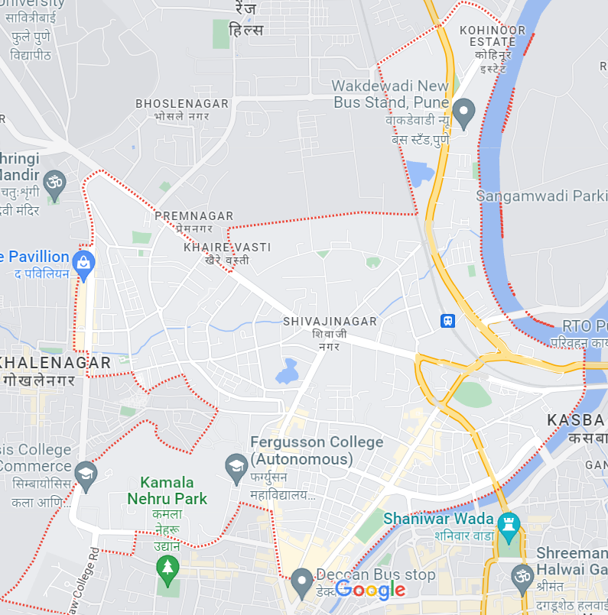
Stall Location | Near Fergusson College, Shiavji Nagar, Pune
Timing | Morning 8 AM to 1 PM
 | Evening 4 PM to 8 PM

Raw Data
Current Scenario

Four more Vada pav Shops nearby with approx same shop timing
Ex.
Name | Price for 1 Pc | Period |  |  | Foods Items Offered
Shiv Vada Pav | 12 | Its been there from last one year |  |  | Medium sized Vada Pav, Kanda Bhaji
Goli Vada pav | 13 | Famous vada pav over all cities in Maharashtra. It is here from last 6 months |  |  | Medium sized Vada Pav with Papaya chutni
Ganesh Vada Pav | 12 | Its been there from last one year |  |  | Medium Sized Vada Pav, Bhaji, Cutlets
Sai Vada pav | 10 | Newly opened stall 3 months before |  |  | Medium sized Vada Pav, Samosa |  |  |  |  | Vendor | Avg Monthly Profit
 |  |  |  |  |  |  |  |  |  | Shiv Vada Pav | 33.7
Shiv Vada Pav |  |  |  |  | Ganesh Vada Pav |  |  |  |  | Goli Vada pav | 36
 | Qty | Total | Expense | Profit |  | Qty | Total | Expense | Profit | Ganesh Vada Pav | 45.8
Vada Pav | 2500 | 30000 | 12500 | 17500 | Vada Pav | 2800 | 33600 | 14000 | 19600 | Sai Vada pav | 14.4
Kanda Bhaji | 1800 | 27000 | 10800 | 16200 | Bhaji | 1900 | 28500 | 11400 | 17100
Avg Monthly Profit
Total |  | 57000 | 23300 | 33700 | Cutlets | 1300 | 16900 | 7800 | 9100
 |  |  |  |  | Total |  | 79000 | 33200 | 45800

Goli Vada Pav |  |  |  |  | Sai Vada Pav
 | Qty | Total | Expense | Profit |  | Qty | Total | Expense | Profit
Vada Pav | 4500 | 58500 | 22500 | 36000 | Vada Pav | 1800 | 18000 | 10800 | 7200
Total |  | 58500 | 22500 | 36000 | Samosa | 1200 | 14400 | 7200 | 7200
 |  |  |  |  | Total |  | 32400 | 18000 | 14400

First Month
Points to be considered
 | Reasonable Price to have
 | Throw Some good offers over the quantity orders
 | Focus On Quality first more than
 | Analyse the Customer based on there visits i.e Daily, weekly
 | As it is the college nearby, try to be more friendly with whatever customers you have
 | Mouth publicity will be done by that regular visiting friends group or People
 | Arrange Proper attractive seating arrangement for the customers
 | Try to make offers with combos Vadapav and Chai
 | Serve Vada pav with various dips and Papaya chutney

Let us Say
 | Investment Made : | INR 300000 | Cleaning, lighting, utensils, Accessories, Chairs and Benches.

 | Price for Vada Pav | 10
 | Items we offer |  |  |  |  |  |  |  |  |  |  | W1 | 500
 |  |  | W1 | W2 | W3 | W4 | Total Qty | Total Sale | Expense | Shop Expense | Profit | W2 | 578
 | Vada Pav with Papaya chutney |  | 500 | 578 | 629 | 550 | 2257 | 22570 | 13542 | 700 | 8328 | W3 | 629
 |  |  |  |  |  |  |  |  |  |  |  | W4 | 550
Ord Qty (1st Month)
 |  |  |  |  |  |  |  |  |  |  |  | Total Qty | 2257
 |  |  |  |  |  |  |  |  |  |  |  | Total Sale (Rs) | 22570
 |  |  |  |  |  |  |  |  |  |  |  | Expense (Rs) | 13542
 |  |  |  |  |  |  |  |  |  |  |  | Shop Expense (Rs) | 700
 |  |  |  |  |  |  |  |  |  |  |  | Profit (Rs) | 8328

Next Month
Profit Investments
 | New intersting facts wall slogans over the walls of shop to attract youngsters
 | Replace traditional benches and chairs to new attractive lunch tables and mushroom chairs.
 | Be more hygenic while preparing vada pavs i.e wore gloves, user proper place for Cooking
 | Ensure proper ventilation using wall fans and Exhaust over the stove
 | Play on songs in background which will enhance customer experience.
 | Try to Serve chai in special kullad. Buy 15-20 kullads from profit value at one time
 | Add on certain milkshake drinks items for afternoon period only i.e.from 1 PM to 4 PM
 | Avoid price fluctuation for the food items
 | Try to use Reverse vadapav technique of cooking vada pav
 | Place an suggestion box open for all for improvemnts
 | Hire one Cook and handle the counter for welcoming customers and proper cost collections

Revised Vada Pav price after this improvements : |  |  | 12 Rs /Pc
Chai |  |  | 10 Rs
Cold Milk |  |  | 10 Rs |  |  |  |  |  |  |  |  | Vada Pav | Chai | Cold Milk | Total
 |  |  |  |  |  |  |  |  |  |  | W5 | 675 | 350 | 100
 |  |  |  |  |  |  |  |  |  |  | W6 | 790 | 420 | 120
 |  | W5 | W6 | W7 | W8 | Total Qty | Total Sale | Expense | Shop Expense | Profit | W7 | 750 | 575 | 200
 | Vada Pav | 675 | 790 | 750 | 800 | 3015 | 36180 | 18090 | 1300 | 16790 | W8 | 800 | 555 | 150
 | Chai | 350 | 420 | 575 | 555 | 1900 | 19000 | 7600 | 5000 | 6400 | Total Qty | 3015 | 1900 | 570 | 5485
 | Cold Milk | 100 | 120 | 200 | 150 | 570 | 5700 | 1710 |  | 3990 | Total Sale (Rs) | 36180 | 19000 | 5700 | 60880
 | Total |  |  |  |  | 5485 | 60880 | 27400 | 6300 | 27180 | Expense | 18090 | 7600 | 1710 | 27400
Progress Plot
 |  |  |  |  |  |  |  |  |  |  | Shop Expense | 1500 |  |  | 1500
 |  |  |  |  |  |  |  |  |  |  | Profit (Rs) | 16590 | 11400 | 3990 | 31980

